Instructions
What's changed since the April 6th 3.0 version?
Based on the new SBA guidance that came out late on April 6th, we updated the following:
-No longer suggesting one Payroll period is a default. Guidance allows for Calendar Year 2019 or "last 12 months" (e.g., April 1, 2019 - March 31, 2020). Consider using this calculator to compare. Please check with what your lender is asking for. If you have already gathered estimates for the last 12 months and otherwise ready to submit, we advise you can submit what you gathered but should have January 1, 2019 - March 31, 2020 payroll data ready for your lender if requested.
-Removed the more detailed calculation subtracting employee federal taxes and employee and employer FICA from February 15, 2020 - June 30, 2020.
What's still the same?
-The cap on compensation for those making above $100k is on salaries not full payroll costs. Still include their benefits and state/local payroll taxes beyond the $100k in salaries.
-1099s still excluded. They have their own process Note: If you have already submitted your application to your lender based on then available guidance, you do not need to recalculate and resubmit. However, you can do tis if you would be entitled to borrow more money. Before resubmitting, check with your lender to make sure you do not lose your place in the queue. See our Deck and FAQ on the FMA PPP Toolbox for more information about this.
 |  | 2020-04-07 |  | Some information included in this estimator is subject to change based on ongoing interpretation and issuance of guidance by the SBA and others.
The goal of this calculator is to understand the estimated amount you could apply for on your PPP application. You may use either the Simple Calculator or Detailed Calculator based on what data you have available today. We recommend you use the Detailed if possible, entering data from your payroll reports into this estimator. Please understand that the lender will ultimately calculate the eligible loan amount using the tax documents you provide them.

Yellow Cells | Used to input Data

Blue Cells | Do not input data - these cells may include formulas.

 | Used to reveal hidden rows

Additional Background

What counts as payroll costs? Payroll costs include: -Gross salary, wages, commissions, or tips (capped at $100,000 on an annualized basis for each employee); -Employee benefits including costs for vacation, parental, family, medical, or sick leave; allowance for separation or dismissal; payments required for the provisions of group health care benefits including insurance premiums; and payment of any retirement benefit; and -State and local taxes assessed on compensation Payments to sole proprietor or independent contractors are not included |  |  | Time Period Definitions for Average Monthly Payroll On the calculator, you will have four periods to choose from to get to Average Monthly Payroll. If you have already calculated one 12 month period we do not think you need to recalculate another unless the bank specifically requests you do so. We have left this estimator flexible to give you some options: 1) Calendar Year 2019 (Default) (1/1/2019 - 12/31/2020) - Why Use? Cleanest and most easily available data. 2) Last 12 Months (4/1/2019 - 3/31/2020) - Why Use? Organization has grown during this time period and/or increased wages and benefits. Use our calculator to compare #1 and #2 but focus on one to get your application in. 3) Start of 2020 (1/1/2020 - 2/29/2020) - nonprofits that were not in existence from 2/15/2019 to 6/30/2019 can apply for use this calculation 4) Seasonal (2/15/2019 or 3/1/2019 - 6/30/2019) - for organizations that are highly seasonal at this point in the calendar year

What doesn't count as payroll costs? -Excess compensation for employees with annualized salaries that exceed $100k -Employer share of FICA taxes -Compensation of an employee whose principal place of residence is outside of the United States -Qualified sick or family leave wages which a credit is allowed under the Families First Coronavirus Response Act) which was already paid |  |  |  | 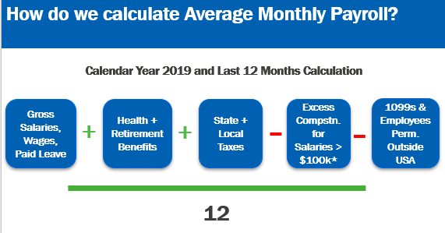

How large can my loan be? Loans can be for up to two months of your average monthly payroll costs from the last year plus an additional 25% of that amount. That amount is subject to a $10 million cap.

Time Period Definitions Loans can be for up to two months of your average monthly payroll costs from the last year plus an additional 25% of that amount. That amount is subject to a $10 million cap.

